Steps to Add maven Plugin
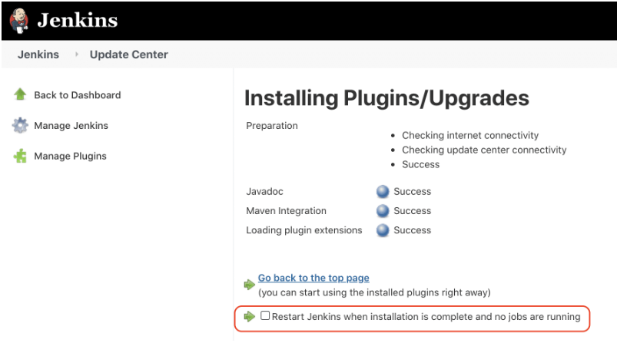
Step 1 : Click on manage jenkin as below | Step 2 : Click on manage jenkin as below

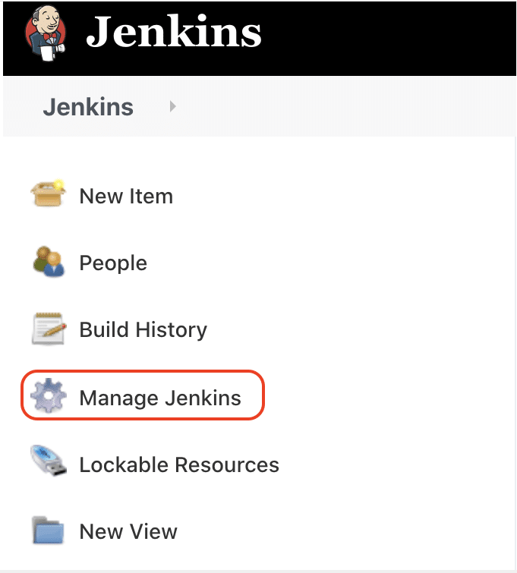
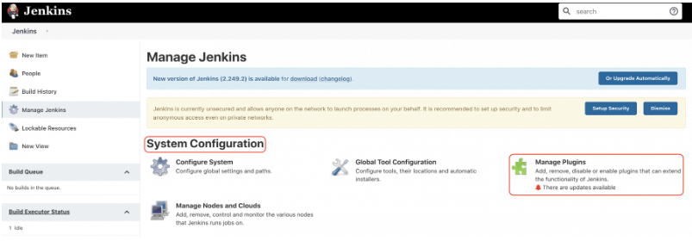

Step 3 : Enter maven and select Maven Integration plugin and click install without restart button as shown below

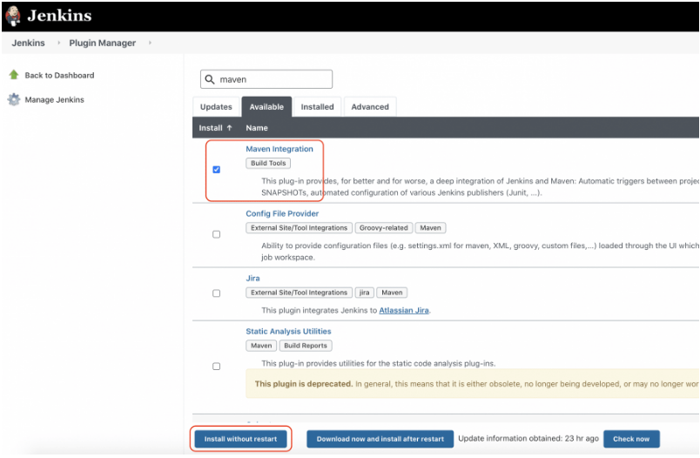

Step 4 : After installing the plugin. Click on Restart Checkbox as shown below

